Hoja 1
Wall · E Components

Hardware Components | June 2024 | io1
🔩 |  | Electronics & Control
No | QTY | Component | Description | Function in Project | Why This Component? | Photo
1 | x1 | ESP-WROOM-32 Dev Board 30 pins | Dual-core microcontroller with Wi-Fi & Bluetooth by Espressif. Acts as the central processing unit for all logic, communication, and control tasks. | Acts as the brain of the robot, managing sensor input, motor control, communication, and logic. | High performance, wireless support, widely documented and community backed. | 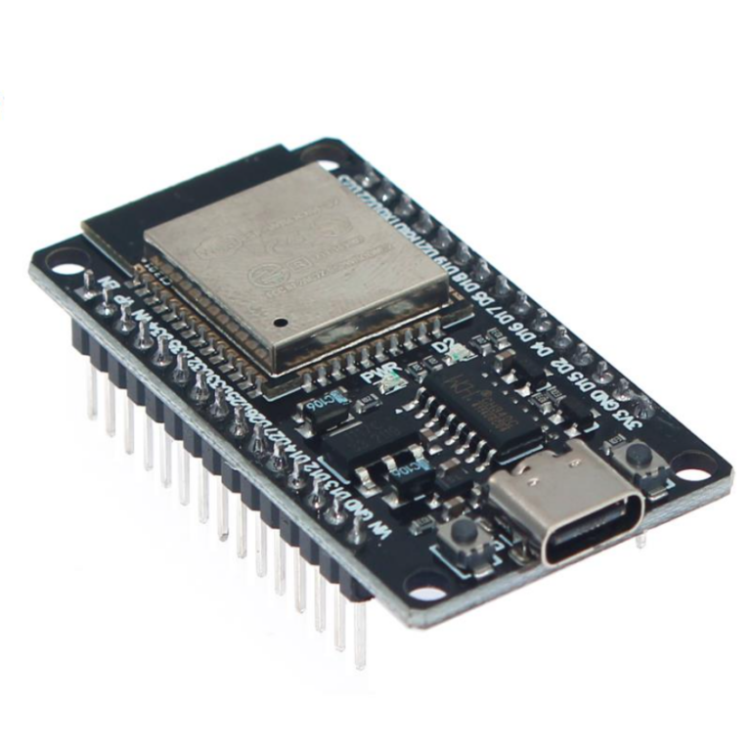
2 | x1 | ESP32 Shield (30-pin) | Add-on board that provides pin breakouts and easier connections for ESP32 modules and servos | Simplifies wiring and integration of power and control systems. | Provides modularity and mechanical stability. | 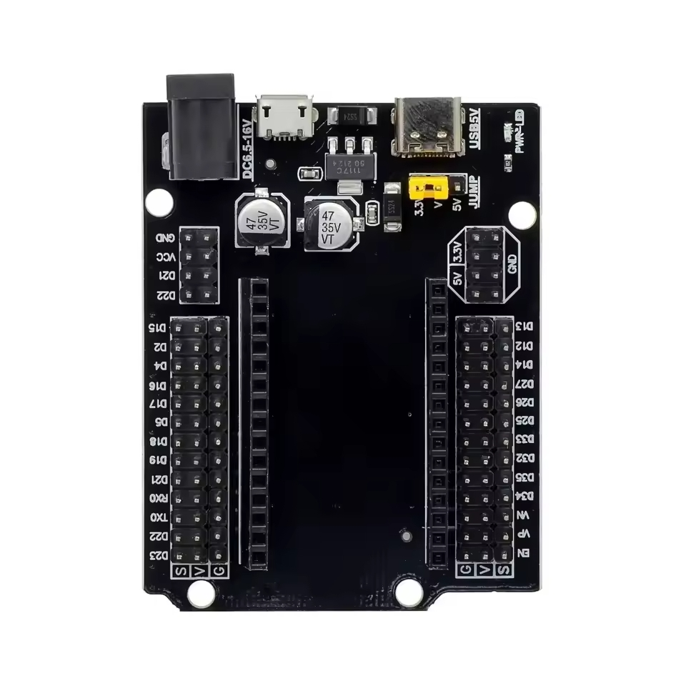
3 | x1 | IR Receiver Module | Infrared receiver module (38kHz) capable of detecting signals from standard IR remotes. | Detects and decodes signals to control turret rotation and taser activation. | Allows safe control of higher loads using GPIO signals. | 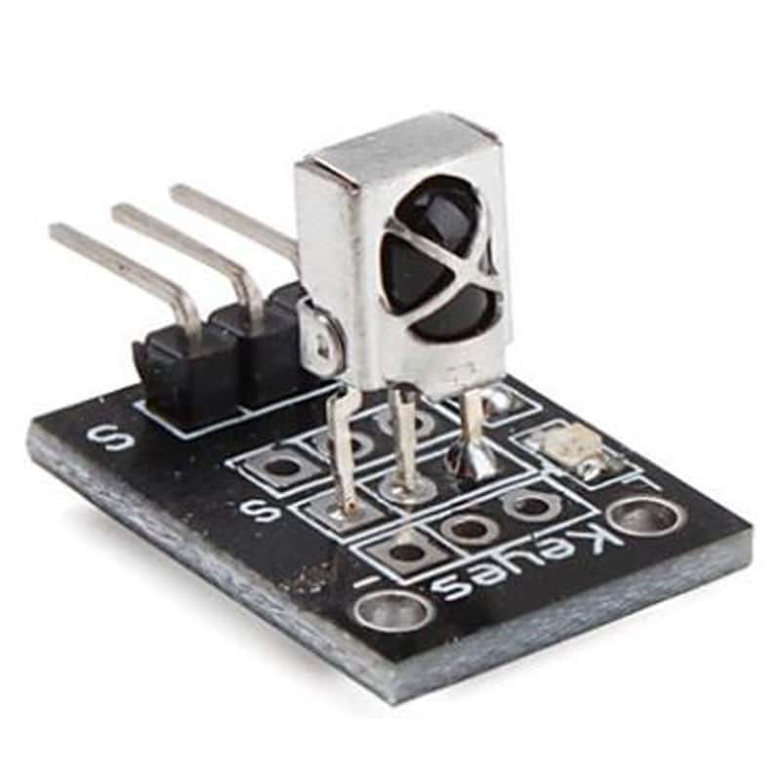
 |  | IR Controller | Remote control with numeric and directional keys, transmits modulated IR signals. | Used by the user to control turret direction and activation remotely. | Lightweight and reliable, also the same used in the official verison | 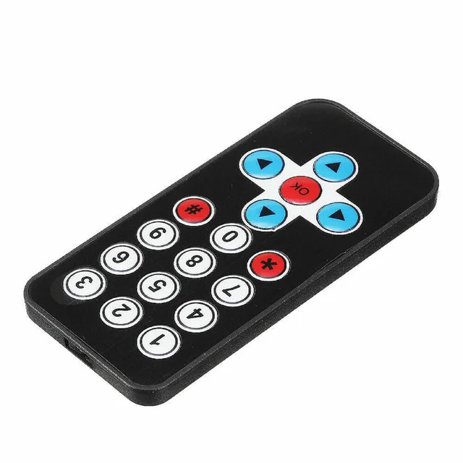
🔋 |  | Power System
No | QTY | Component | Description | Function in Project | Why This Component? | Photo
7 | x1 | AA Battery Holder (4xAA) | Plastic battery holder for 4 AA batteries in series, total output ~6V. | Provides primary power supply for servos and ESP32. | Compact and simple; matches the voltage range of used modules. | 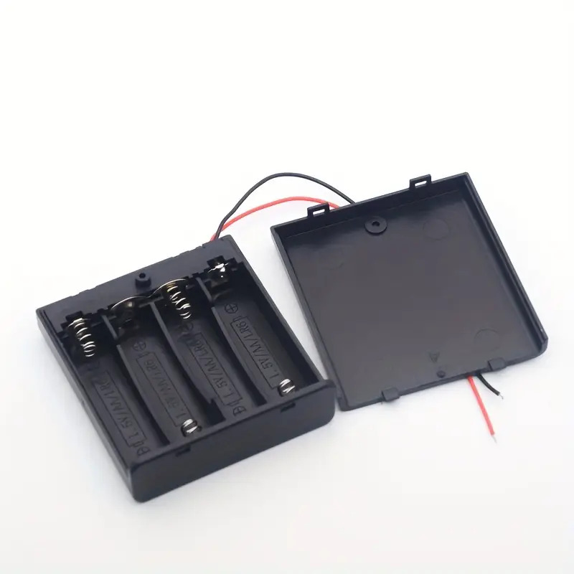
8 | x4 | AA 1.5V Batteries | Alkaline 1.5V batteries, standard size AA. | Supplies energy to the turret’s control and actuation system. | Accessible and easy to replace.
9 | x1 | Barrel Jack Terminal Adapter | Screw terminal adapter for barrel jack connections. | Enables easy connection of battery holder to shield power input. | Allows secure and removable power connection. | 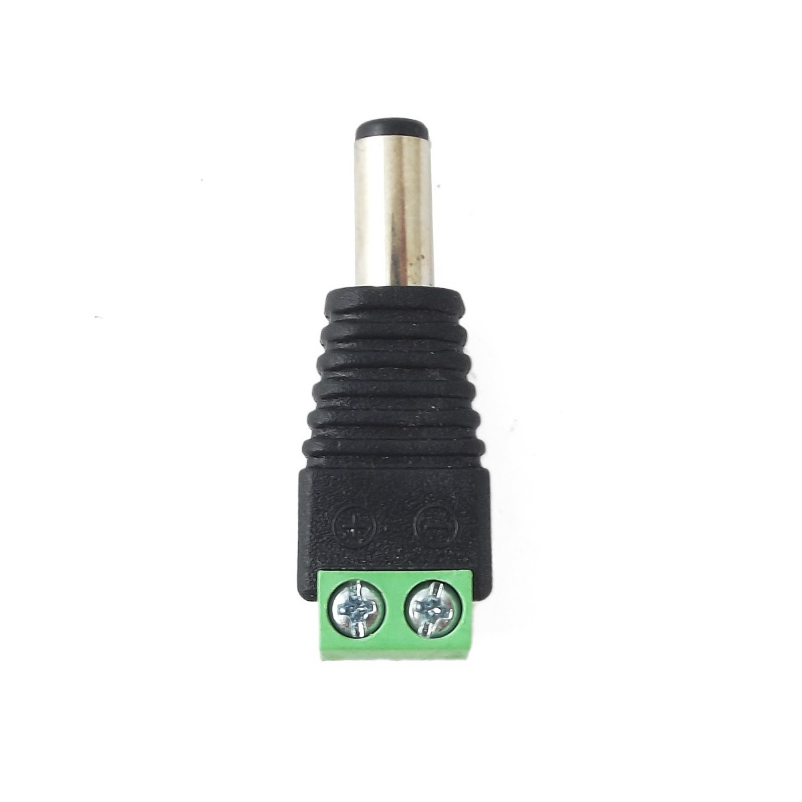
⚙️ |  | Mechanical Actuation & Movement
No | QTY | Component | Description | Function in Project | Why This Component? | Photo
10 | x2 | SG90 Micro Servo (Continuous Rotation) | 360° servo motor controlled by PWM, capable of full rotation with speed control. | Used to rotate turret base and/or perform sweeping motion. | Simple to control and lightweight. | 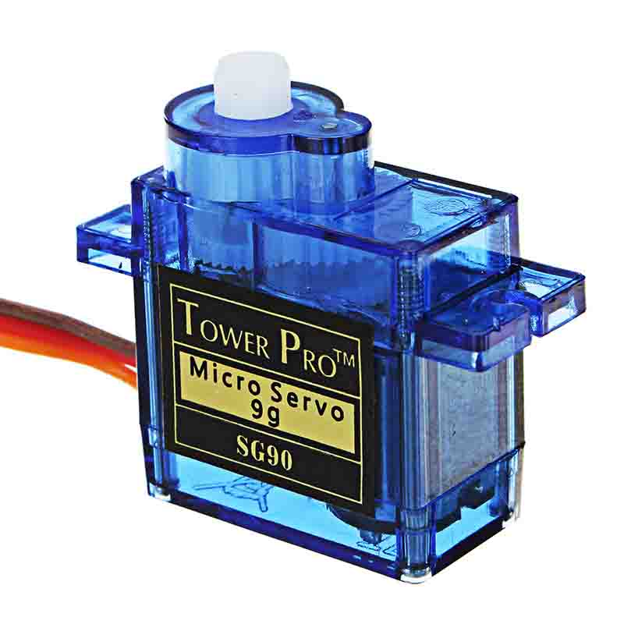
11 | x1 | SG90 Micro Servo (Standard 180°) | Analog servo motor with range of 0° to 180°, position controlled by PWM. | Controls vertical aiming of turret or other mechanical part. | Simple to control and lightweight.
12 |  | Insertion Nut & Screw Kit | Set of brass M3 inserts and machine screws. | Provides firm connections for 3D-printed structures. | Reinforces structure, improves modularity and assembly. | 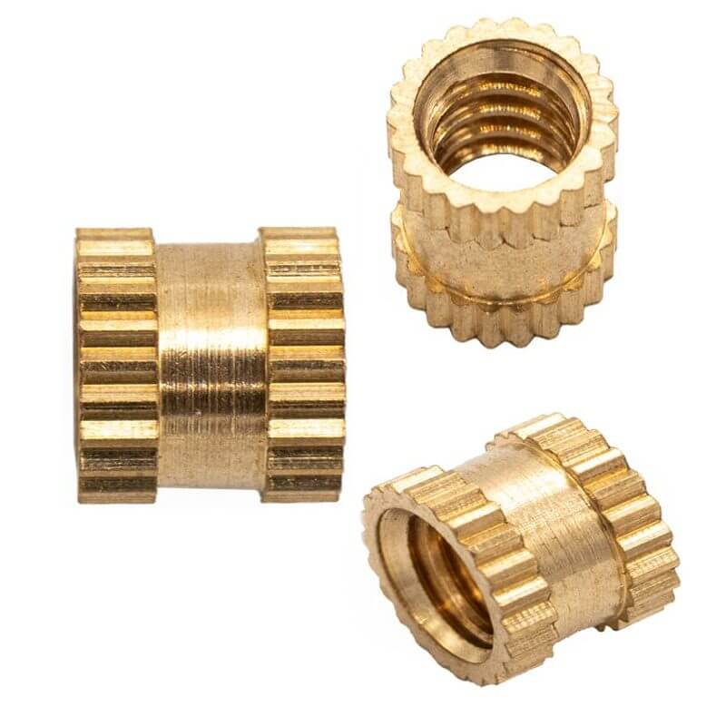
13 |  | Neodymium Magnet (15x2mm) | permanent magnets with strong holding force. | Used for mechanical locking, alignment, and modular snap-fit features. | Compact size, strong hold, and reusability. | 